Statistics
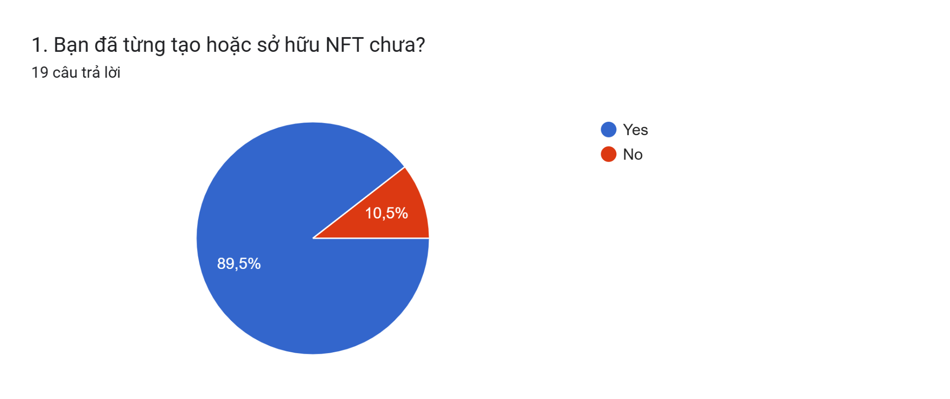
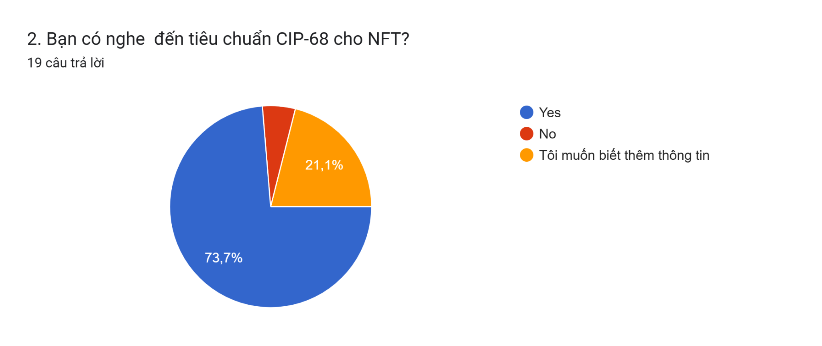
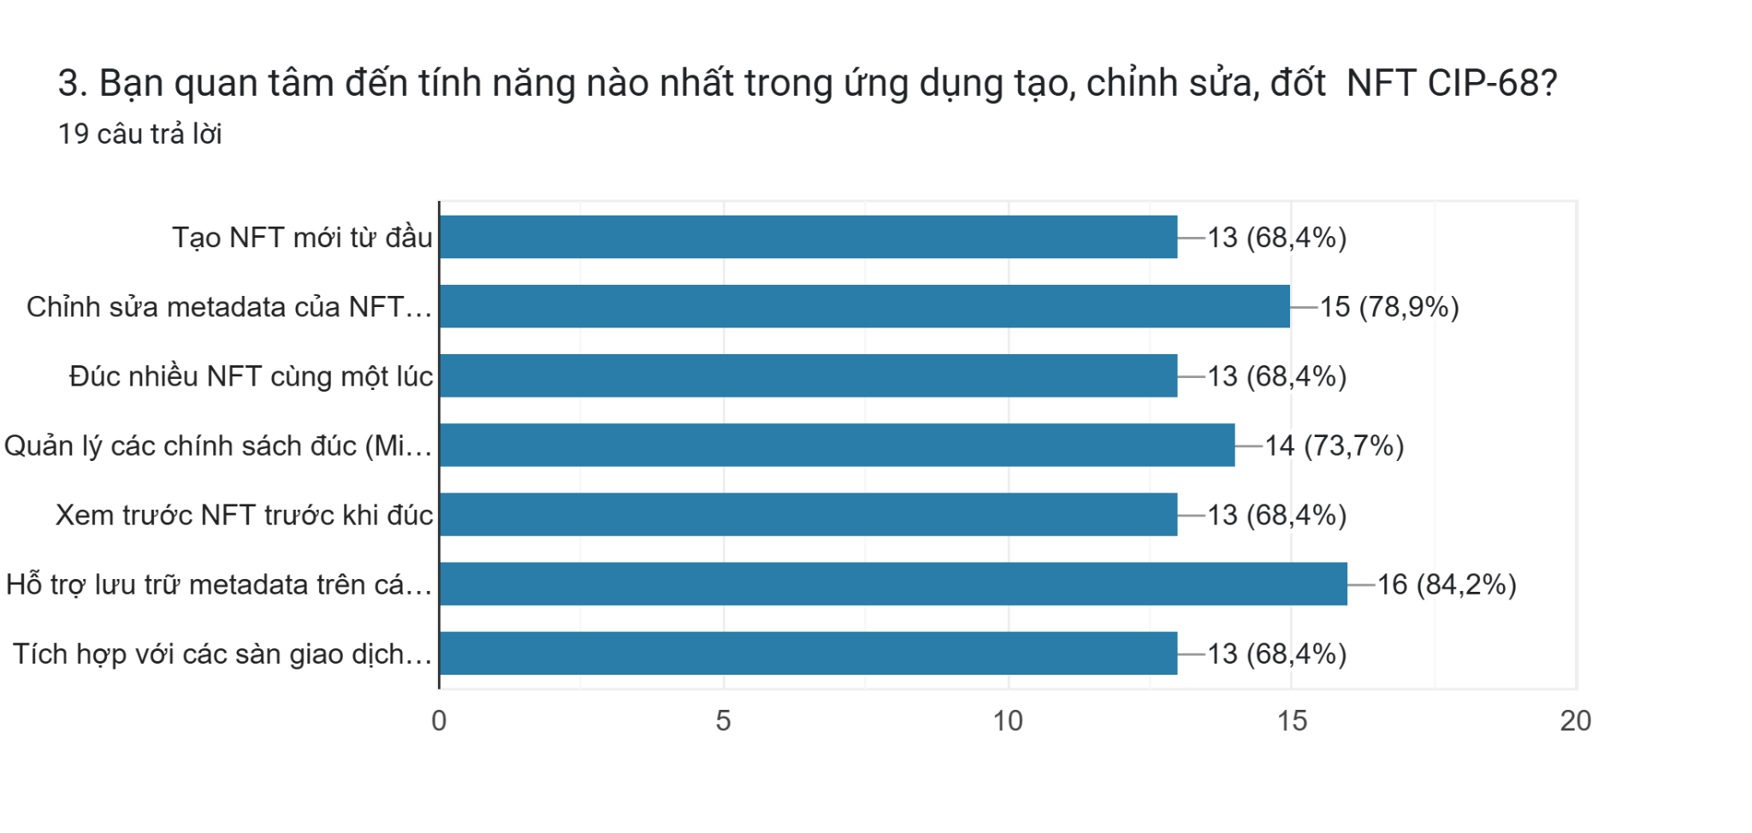

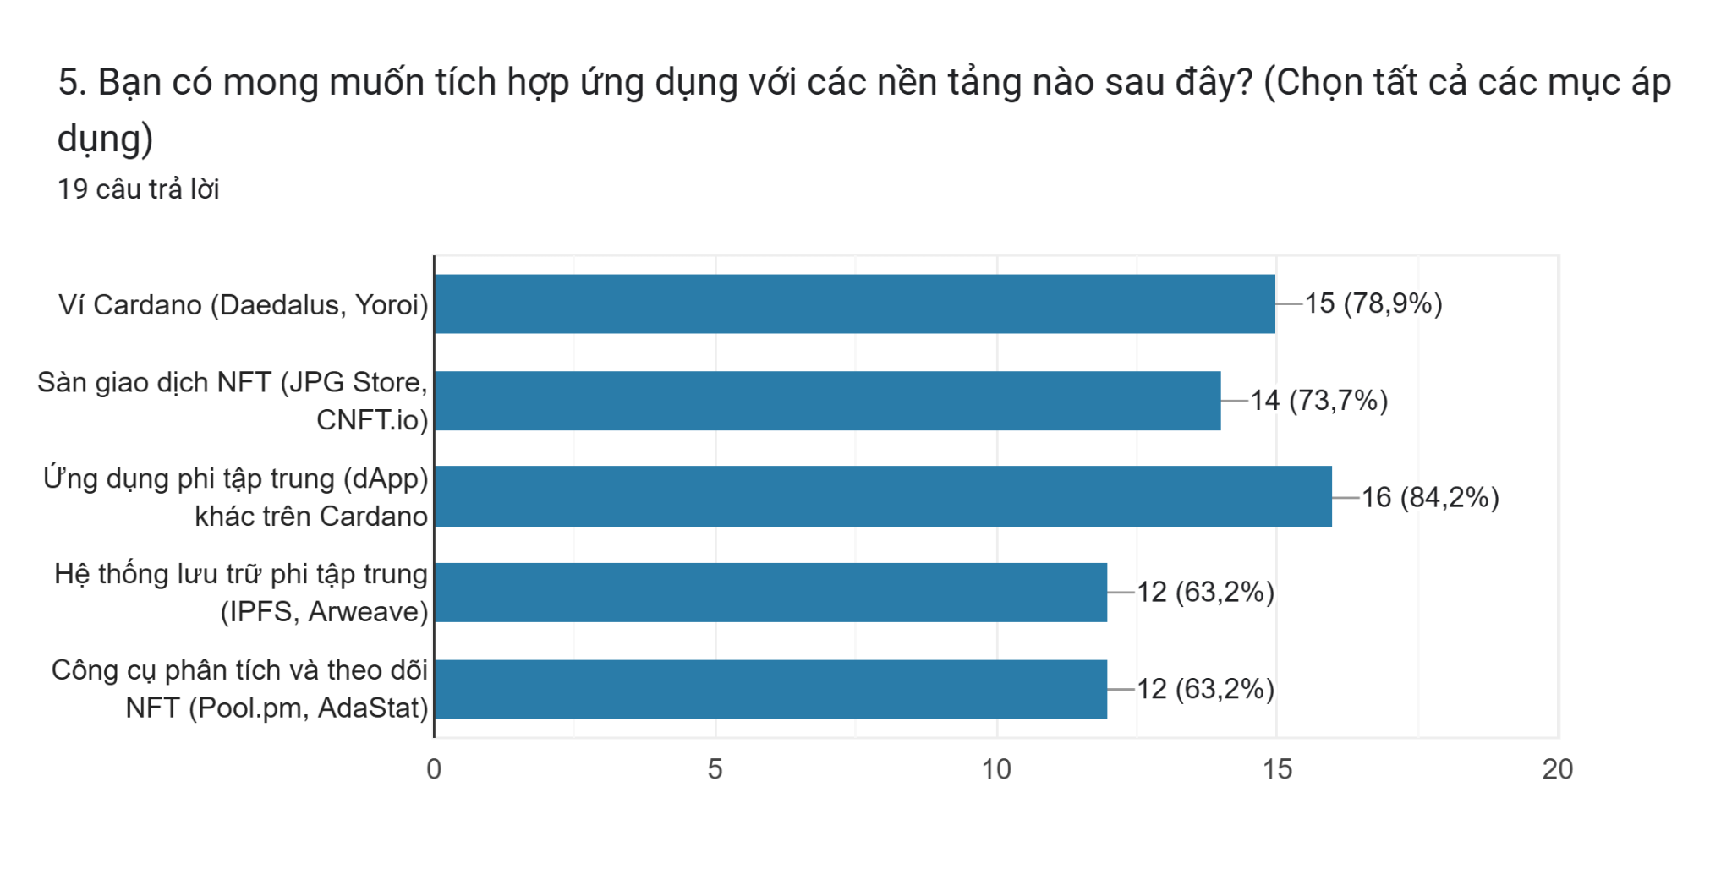
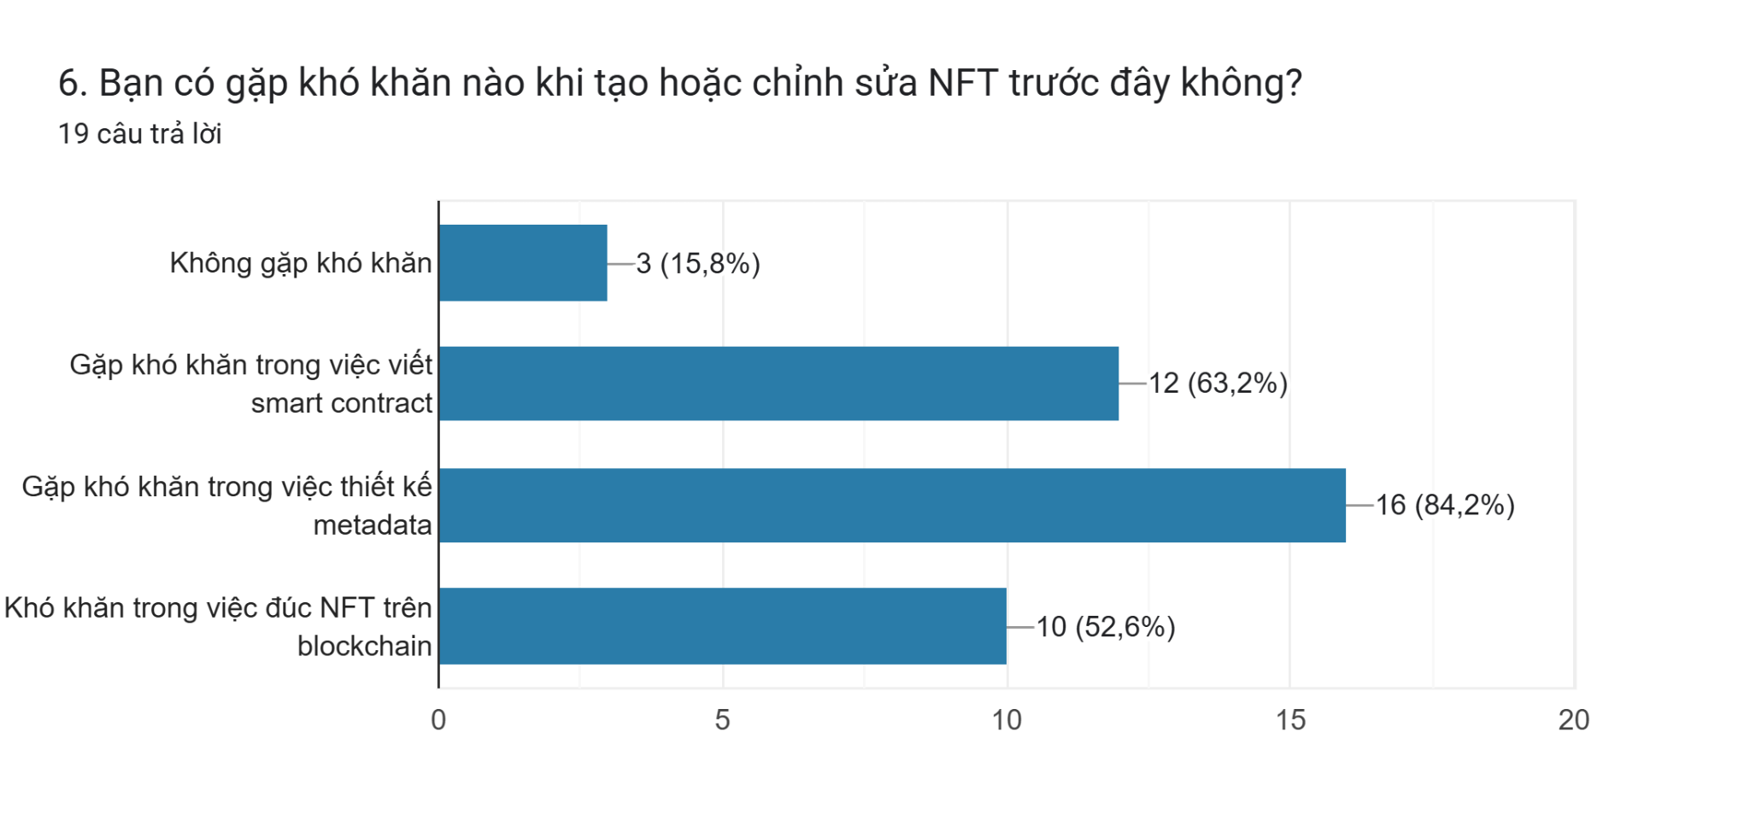
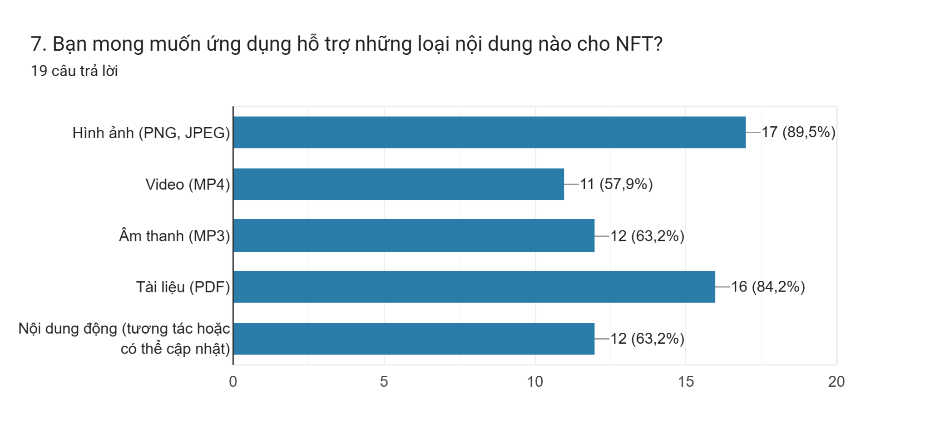
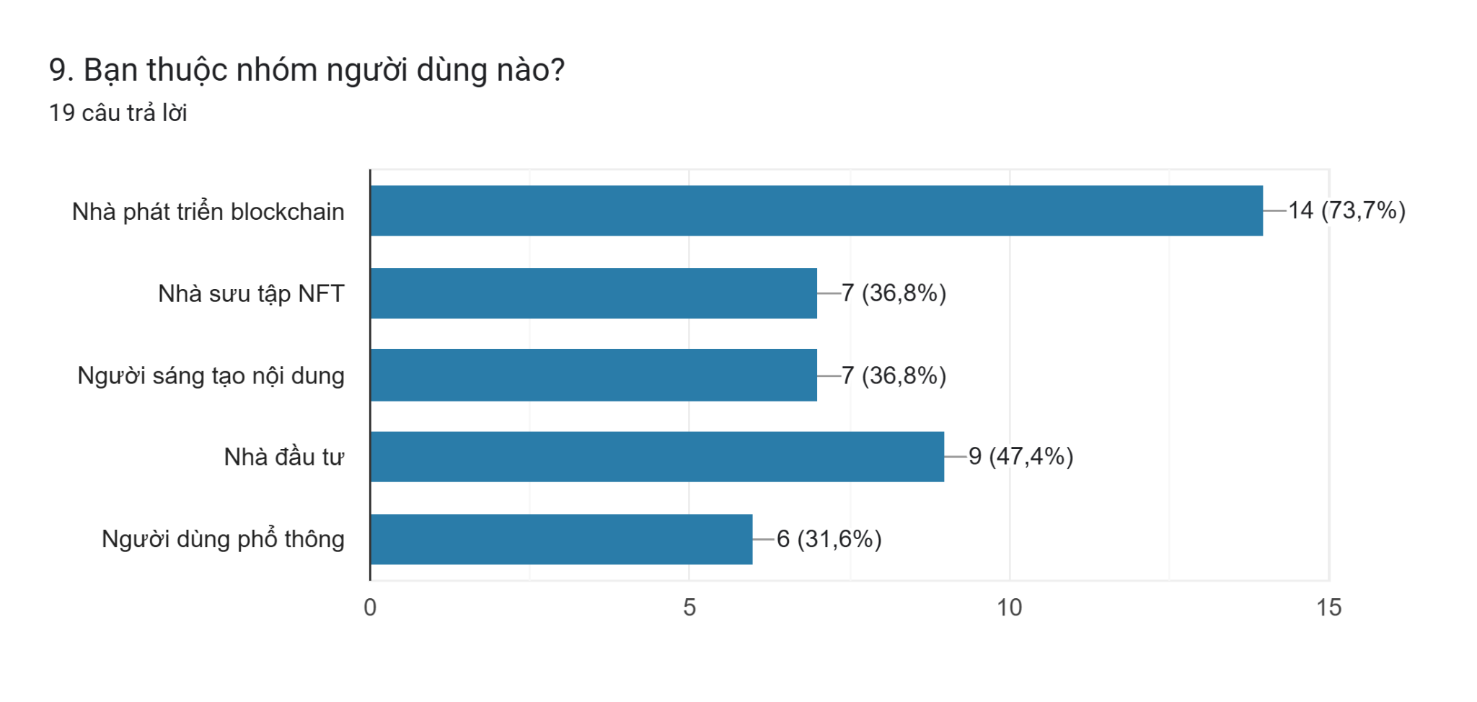
1. Have you ever created or owned an NFT? | 2. Have you heard of the CIP-68 standard for NFTs? | 3. What features are you most interested in in the CIP-68 NFT creation, editing, burning application? | 4. Do you need to support NFT metadata editing after minting? | 5. Which of the following platforms do you want to integrate the application with? (Select all that apply) | 6. Have you encountered any difficulties creating or editing NFTs before? | 7. What types of content do you expect the app to support for NFTs? | 8. Do you have ideas or suggestions that you would like to give us for the most optimized application? | 9. Which user group do you belong to?
 |  |  |  |  |  |  | (To be described in Form Responses 1)

